Sheet1
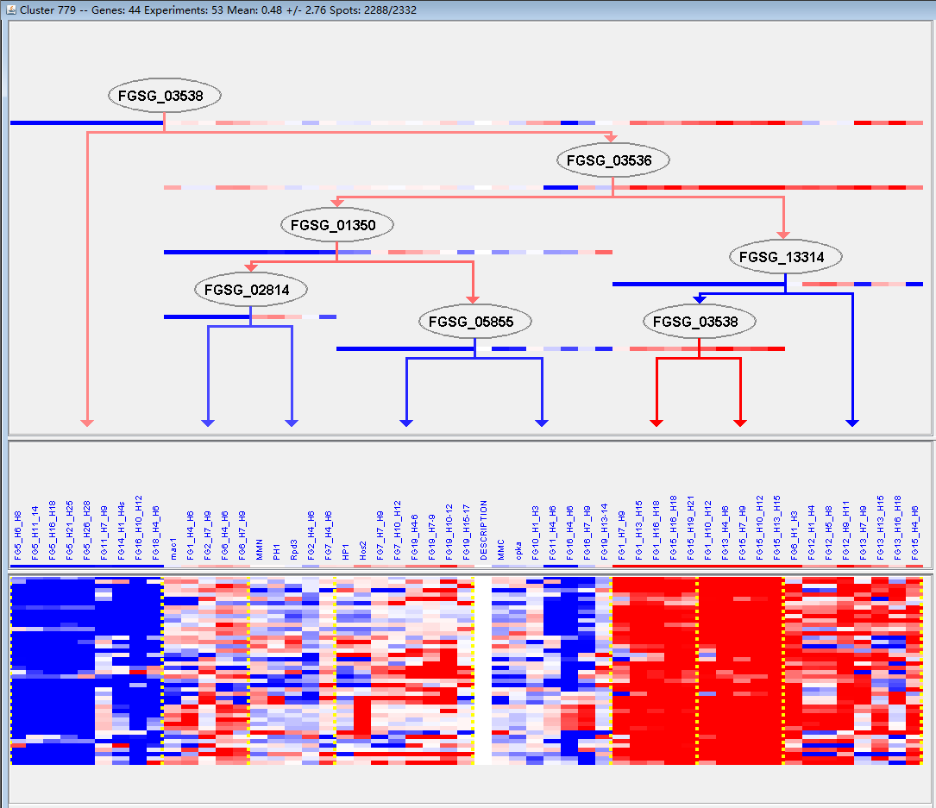
k | Filter | FUNCTIONAL CATEGORY | abs SET | rel SET | genes SET | abs GENOME | rel GENOME | rel SET/rel GENOME | P-VALUE | Bonferroni_corr | FDR
01.20 secondary metabolism | 11 | 25.5 | FGSG_00071 FGSG_01819 FGSG_03700 FGSG_03540 FGSG_03535 FGSG_07562 FGSG_07896 FGSG_08083 FGSG_08081 FGSG_08023 FGSG_10587 | 627 | 4.53 | 5.629139073 | 2.33E-06
32.07.01 detoxification involving cytochrome P450 | 5 | 11.6 | FGSG_00071 FGSG_03540 FGSG_03535 FGSG_08079 FGSG_08023 | 111 | 0.8 | 14.5 | 2.30E-05
32.07 detoxification | 9 | 20.9 | FGSG_00071 FGSG_01765 FGSG_03700 FGSG_03541 FGSG_03540 FGSG_03535 FGSG_07896 FGSG_08079 FGSG_08023 | 520 | 3.76 | 5.558510638 | 2.53E-05
20.01.15 electron transport | 8 | 18.6 | FGSG_00071 FGSG_03700 FGSG_03540 FGSG_03535 FGSG_08079 FGSG_08077 FGSG_08023 FGSG_10587 | 398 | 2.87 | 6.480836237 | 2.63E-05
01.06.06.05 sesquiterpenes metabolism | 3 | 6.97 | FGSG_03540 FGSG_03535 FGSG_08023 | 20 | 0.14 | 49.78571429 | 3.08E-05
01.06.06 isoprenoid metabolism | 5 | 11.6 | FGSG_00071 FGSG_03818 FGSG_03540 FGSG_03535 FGSG_08023 | 184 | 1.33 | 8.721804511 | 0.000252551
01.02 nitrogen, sulfur and selenium metabolism | 6 | 13.9 | FGSG_03540 FGSG_08079 FGSG_08078 FGSG_08077 FGSG_08023 FGSG_10587 | 336 | 2.43 | 5.720164609 | 0.000562333
01.01.09.04.01 biosynthesis of phenylalanine | 3 | 6.97 | FGSG_03540 FGSG_08079 FGSG_08023 | 61 | 0.44 | 15.84090909 | 0.000889406
01.01.09.04.02 degradation of phenylalanine | 3 | 6.97 | FGSG_03540 FGSG_08079 FGSG_08023 | 64 | 0.46 | 15.15217391 | 0.001022971
16.21.01 heme binding | 3 | 6.97 | FGSG_00071 FGSG_03535 FGSG_10587 | 91 | 0.65 | 10.72307692 | 0.002813978
01.01.09.04 metabolism of phenylalanine | 3 | 6.97 | FGSG_03540 FGSG_08079 FGSG_08023 | 94 | 0.67 | 10.40298507 | 0.003084877
32 CELL RESCUE, DEFENSE AND VIRULENCE | 11 | 25.5 | FGSG_00071 FGSG_01765 FGSG_11542 FGSG_03700 FGSG_03541 FGSG_03540 FGSG_03535 FGSG_04693 FGSG_07896 FGSG_08079 FGSG_08023 | 1452 | 10.5 | 2.428571429 | 0.003983957
32.05 disease, virulence and defense | 6 | 13.9 | FGSG_00071 FGSG_11542 FGSG_03541 FGSG_03535 FGSG_04693 FGSG_07896 | 507 | 3.66 | 3.797814208 | 0.004543344
01.01.09 metabolism of the cysteine - aromatic group | 4 | 9.3 | FGSG_03540 FGSG_08083 FGSG_08079 FGSG_08023 | 266 | 1.92 | 4.84375 | 0.009175989
01.20.17.07 metabolism of glycosinolates and derivatives | 1 | 2.32 | FGSG_03700 | 3 | 0.02 | 116 | 0.00930193
01 METABOLISM | 18 | 41.8 | FGSG_00071 FGSG_01765 FGSG_01819 FGSG_11542 FGSG_03818 FGSG_03700 FGSG_03540 FGSG_03535 FGSG_07562 FGSG_07896 FGSG_08083 FGSG_08081 FGSG_08079 FGSG_08078 FGSG_08077 FGSG_08023 FGSG_10587 FGSG_10675 | 3402 | 24.6 | 1.699186992 | 0.009514749
01.02.02 nitrogen metabolism | 2 | 4.65 | FGSG_08077 FGSG_10587 | 63 | 0.45 | 10.33333333 | 0.016365713
20.01 transported compounds (substrates) | 10 | 23.2 | FGSG_00071 FGSG_03700 FGSG_03541 FGSG_03540 FGSG_03535 FGSG_08084 FGSG_08079 FGSG_08077 FGSG_08023 FGSG_10587 | 1597 | 11.5 | 2.017391304 | 0.022210192
32.10 degradation / modification of foreign (exogenous) compounds | 2 | 4.65 | FGSG_01765 FGSG_03535 | 77 | 0.55 | 8.454545455 | 0.02385804
01.20.21 metabolism of sulfuric acid and L-cysteine derivatives | 1 | 2.32 | FGSG_08083 | 8 | 0.05 | 46.4 | 0.024617669
32.05.03 defense related proteins | 2 | 4.65 | FGSG_00071 FGSG_11542 | 92 | 0.66 | 7.045454545 | 0.033149559
01.20.29 metabolism of secondary products derived from L-glutamic acid, L-proline and L-ornithine | 1 | 2.32 | FGSG_08083 | 11 | 0.07 | 33.14285714 | 0.033695845
01.20.17 metabolism of secondary products derived from primary amino acids | 2 | 4.65 | FGSG_03700 FGSG_10587 | 96 | 0.69 | 6.739130435 | 0.035831772
01.01.09.03.02 degradation of cysteine | 1 | 2.32 | FGSG_08083 | 12 | 0.08 | 29 | 0.036703523
01.06.06.07 diterpenes metabolism | 1 | 2.32 | FGSG_00071 | 12 | 0.08 | 29 | 0.036703523
01.20.33 metabolism of secondary products derived from L-tryptophan | 1 | 2.32 | FGSG_08083 | 15 | 0.1 | 23.2 | 0.0456718
41.01.03.01 fruit body development (sexually or asexually derived spores) | 1 | 2.32 | FGSG_03700 | 15 | 0.1 | 23.2 | 0.0456718
01.06 lipid, fatty acid and isoprenoid metabolism | 6 | 13.9 | FGSG_00071 FGSG_03818 FGSG_03540 FGSG_03535 FGSG_08078 FGSG_08023 | 850 | 6.14 | 2.263843648 | 0.046348078

01.20二次代谢
32.07.01细胞色素P450的解毒作用

